Patho Variant Conseq Dis Fig2b
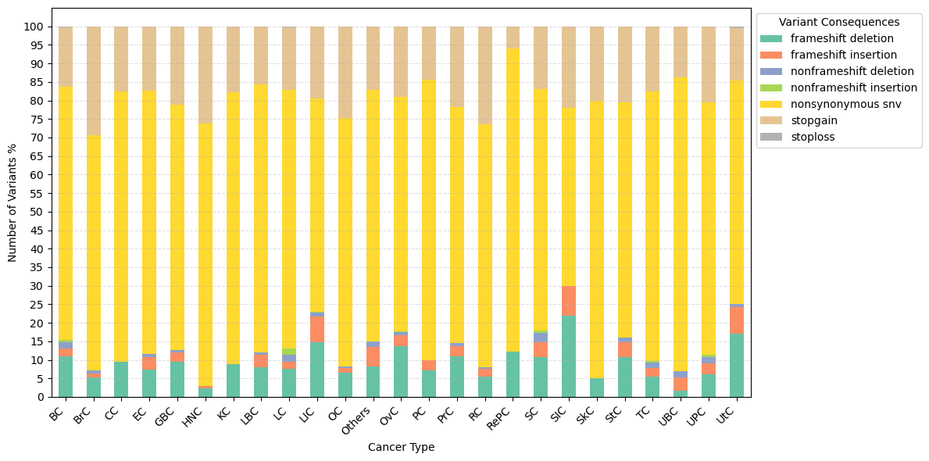
Cancer_Short | frameshift deletion | frameshift insertion | nonframeshift deletion | nonframeshift insertion | nonsynonymous snv | stopgain | stoploss
BC | 10.884353741 | 2.2675736961 | 1.5873015873 | 0.68027210884 | 68.253968254 | 16.099773243 | 0.22675736961
BrC | 5.3571428571 | 0.89285714286 | 0.89285714286 | 0 | 63.392857143 | 29.464285714 | 0
CC | 9.5238095238 | 0 | 0 | 0 | 73.015873016 | 17.46031746 | 0
EC | 7.4380165289 | 3.305785124 | 0.82644628099 | 0 | 71.074380165 | 17.355371901 | 0
GBC | 9.4170403587 | 2.6905829596 | 0.44843049327 | 0 | 66.367713004 | 21.076233184 | 0
HNC | 2.2857142857 | 0.57142857143 | 0 | 0 | 70.857142857 | 26.285714286 | 0
KC | 8.8888888889 | 0 | 0 | 0 | 73.333333333 | 17.777777778 | 0
LBC | 8.0952380952 | 3.3333333333 | 0.47619047619 | 0 | 72.380952381 | 15.714285714 | 0
LC | 7.5520833333 | 1.953125 | 1.8229166667 | 1.6927083333 | 69.791666667 | 16.927083333 | 0.26041666667
LIC | 14.712153518 | 7.0362473348 | 1.066098081 | 0.1066098081 | 57.675906183 | 19.402985075 | 0
OC | 6.5637065637 | 1.1583011583 | 0.3861003861 | 0 | 67.181467181 | 24.71042471 | 0
Others | 8.2089552239 | 5.223880597 | 1.4925373134 | 0 | 67.910447761 | 17.164179104 | 0
OvC | 13.714285714 | 2.8571428571 | 0.85714285714 | 0.28571428571 | 63.142857143 | 19.142857143 | 0
PC | 7.0739549839 | 2.8938906752 | 0 | 0 | 75.562700965 | 14.469453376 | 0
PrC | 10.909090909 | 2.7272727273 | 0.90909090909 | 0 | 63.636363636 | 21.818181818 | 0
RC | 5.4347826087 | 2.1739130435 | 0.36231884058 | 0 | 65.579710145 | 26.449275362 | 0
RePC | 12.121212121 | 0 | 0 | 0 | 81.818181818 | 6.0606060606 | 0
SC | 10.714285714 | 4.0816326531 | 2.5510204082 | 0.51020408163 | 65.306122449 | 16.836734694 | 0
SIC | 22 | 8 | 0 | 0 | 48 | 22 | 0
SkC | 5 | 0 | 0 | 0 | 75 | 20 | 0
StC | 10.796915167 | 3.8560411311 | 1.2853470437 | 0 | 63.496143959 | 20.565552699 | 0
TC | 5.376344086 | 2.5089605735 | 1.4336917563 | 0.35842293907 | 72.759856631 | 17.562724014 | 0
UBC | 1.724137931 | 3.4482758621 | 1.724137931 | 0 | 79.310344828 | 13.793103448 | 0
UPC | 6.106870229 | 3.0534351145 | 1.5267175573 | 0.76335877863 | 67.938931298 | 20.610687023 | 0
UtC | 16.988416988 | 7.3359073359 | 0.7722007722 | 0 | 60.231660232 | 14.285714286 | 0.3861003861

Landscape (Sort Descending)
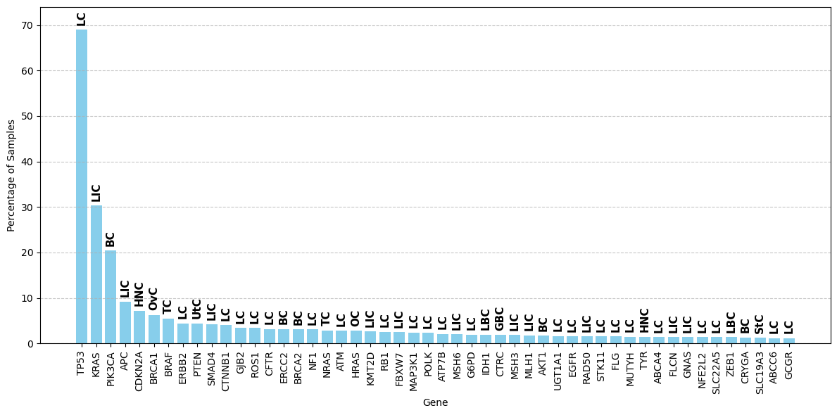
Ref.Gene | Sample_Count | Most_Common_Cancer
TP53 | 948 | LC
KRAS | 417 | LIC
PIK3CA | 281 | BC
APC | 127 | LIC
CDKN2A | 99 | HNC
BRCA1 | 86 | OvC
BRAF | 76 | TC
ERBB2 | 61 | LC
PTEN | 61 | UtC
SMAD4 | 58 | LIC
CTNNB1 | 56 | LC
GJB2 | 47 | LC
ROS1 | 47 | LC
CFTR | 44 | LC
ERCC2 | 44 | BC
BRCA2 | 43 | BC
NF1 | 43 | LC
NRAS | 40 | TC
ATM | 39 | LC
HRAS | 39 | OC
KMT2D | 36 | LIC
RB1 | 35 | LC
FBXW7 | 34 | LIC
MAP3K1 | 33 | LC
POLK | 32 | LC
ATP7B | 29 | LC
MSH6 | 28 | LIC
G6PD | 27 | LC
IDH1 | 27 | LBC
CTRC | 26 | GBC
MSH3 | 26 | LIC
MLH1 | 25 | LIC
AKT1 | 24 | BC
UGT1A1 | 23 | LC
EGFR | 22 | LC
RAD50 | 22 | LIC
STK11 | 22 | LC
FLG | 21 | LC
MUTYH | 20 | LC
TYR | 20 | HNC
ABCA4 | 19 | LC
FLCN | 19 | LIC
GNAS | 19 | LIC
NFE2L2 | 19 | LC
SLC22A5 | 19 | LC
ZEB1 | 19 | LBC
CRYGA | 18 | BC
SLC19A3 | 17 | StC
ABCC6 | 16 | LC
GCGR | 16 | LC
ZFHX3 | 16 | LC
ANKS6 | 15 | LIC
HNF1A | 15 | TC
TSHR | 15 | LC
BAX | 14 | LIC
DUOX2 | 14 | OC
GDF3 | 14 | StC
HMBS | 14 | LIC
MSH2 | 14 | LIC
PALB2 | 14 | BC
F8 | 13 | LC
FBN1 | 13 | EC
KCNQ1 | 13 | LBC
LDLR | 13 | OC
SBDS | 13 | BC
CEP290 | 12 | LIC
CNTN2 | 12 | OvC
FOXRED1 | 12 | BC
KIT | 12 | StC
MEN1 | 12 | LIC
NOTCH1 | 12 | HNC
PAH | 12 | LC
ACO2 | 11 | LC
AGXT | 11 | LIC
ERMAP | 11 | HNC
FUT1 | 11 | TC
PPP2R1A | 11 | UtC
PTPN11 | 11 | RC
SETX | 11 | LC
TBXAS1 | 11 | HNC
UROD | 11 | LC
BMPR2 | 10 | LIC
CTCF | 10 | UtC
FGFR3 | 10 | UBC
GALT | 10 | GBC
LZTR1 | 10 | BC
PADI3 | 10 | Others
PKLR | 10 | LC
POLH | 10 | LBC
TGIF1 | 10 | RePC
ADA2 | 9 | StC
CHEK2 | 9 | LC
MAP2K1 | 9 | LC
MTHFR | 9 | LC
NSD1 | 9 | CC
SLC26A4 | 9 | OC
SMN1 | 9 | BC
TENM4 | 9 | TC
TPR | 9 | LC
TTN | 9 | OvC
BCHE | 8 | BC
C6 | 8 | BC
CASR | 8 | LC
CHST8 | 8 | HNC
COL18A1 | 8 | LIC
ERBB3 | 8 | LBC
FGFR2 | 8 | UtC
HBB | 8 | OvC
LOC102724788 | 8 | StC
NBN | 8 | LC
NPHS1 | 8 | SC
SF3B1 | 8 | BC
SMARCB1 | 8 | OC
SPG7 | 8 | OC
TREX1 | 8 | LC
USH2A | 8 | GBC
AR | 7 | PrC
BLM | 7 | LIC
CANT1 | 7 | LIC
CDH1 | 7 | LIC
CNGA3 | 7 | StC
COL3A1 | 7 | HNC
COL4A3 | 7 | RC
COL4A5 | 7 | LC
DMD | 7 | BC
ESR1 | 7 | BC
F11 | 7 | LIC
HPCA | 7 | LC
IRF6 | 7 | LIC
KMT2A | 7 | SC
LOXHD1 | 7 | TC
MMP9 | 7 | LC
NAGA | 7 | TC
NOTCH3 | 7 | LC
OGG1 | 7 | LC
PRF1 | 7 | LC
PRKN | 7 | TC
RYR1 | 7 | KC
SCN5A | 7 | LIC
SDHB | 7 | KC
TMPRSS3 | 7 | LC
TSC2 | 7 | KC
ALG1 | 6 | LIC
AMER1 | 6 | LIC
ASPM | 6 | GBC
BRIP1 | 6 | EC
BTK | 6 | LIC
CA5A | 6 | CC
COL4A4 | 6 | HNC
COQ2 | 6 | StC
GALC | 6 | LC
GLI2 | 6 | OvC
MAPK1 | 6 | OC
MYO7A | 6 | LIC
OCA2 | 6 | TC
PIK3R1 | 6 | BC
PKHD1 | 6 | LC
RAF1 | 6 | LIC
RET | 6 | TC
SAA1 | 6 | TC
SLC36A2 | 6 | GBC
TGFBR2 | 6 | LIC
TTC19 | 6 | LC
TUBB3 | 6 | LC
VHL | 6 | KC
VWF | 6 | LC
ABCB6 | 5 | BC
ACADS | 5 | LC
AMT | 5 | BC
ASS1 | 5 | LC
ATP8A2 | 5 | LIC
CACNA1A | 5 | StC
CD3G | 5 | LIC
CDH23 | 5 | BC
CDKL5 | 5 | BC
CHD7 | 5 | BC
CLCN1 | 5 | BC
COL7A1 | 5 | LIC
CRB1 | 5 | EC
CREBBP | 5 | StC
DCAF6 | 5 | OvC
FANCA | 5 | BC
GDF6 | 5 | BC
GLB1 | 5 | BrC
HBD | 5 | TC
LAMC2 | 5 | BC
LMNA | 5 | BC
MEFV | 5 | BC
MVK | 5 | TC
MYBPC3 | 5 | BC
MYH7 | 5 | HNC
NDUFS3 | 5 | EC
NF2 | 5 | SC
NUP93 | 5 | LC
PKD1 | 5 | BrC
PPOX | 5 | StC
PROC | 5 | HNC
PRSS56 | 5 | LC
RECQL4 | 5 | LBC
RHOA | 5 | StC
RNASEH2B | 5 | StC
RP1L1 | 5 | BC
RYR2 | 5 | BrC
SERPINA1 | 5 | LIC
SLC26A2 | 5 | OvC
SLC29A3 | 5 | BC
SLC4A1 | 5 | LC
TSC1 | 5 | OvC
XPC | 5 | GBC
ZNF469 | 5 | LIC
AARS2 | 4 | PC
ABCC2 | 4 | CC
ACADM | 4 | OvC
ALDOB | 4 | BrC
ALK | 4 | LC
ARID1A | 4 | LIC
ASXL1 | 4 | LIC
ATP2A1 | 4 | LIC
BARD1 | 4 | LIC
BBS10 | 4 | LIC
BCKDHA | 4 | GBC
BMP15 | 4 | BC
C7 | 4 | BC
CAPN3 | 4 | BC
CBS | 4 | LC
CEP152 | 4 | LIC
CFHR5 | 4 | BC
COL2A1 | 4 | BrC
CPOX | 4 | StC
CYP1B1 | 4 | GBC
CYP27A1 | 4 | LIC
DSTYK | 4 | TC
DYSF | 4 | BC
ECHS1 | 4 | LC
F7 | 4 | BC
FBP1 | 4 | LC
GJB4 | 4 | LIC
GNRHR | 4 | BC
GRHPR | 4 | BC
GRIP1 | 4 | LIC
GYS2 | 4 | BrC
HGD | 4 | HNC
IGHMBP2 | 4 | BrC
INCENP | 4 | StC
KCNH2 | 4 | StC
KCNQ2 | 4 | LBC
KMT2B | 4 | HNC
KRT81 | 4 | BC
LRP5 | 4 | EC
MYMK | 4 | BC
MYO15A | 4 | LIC
MYO3A | 4 | BC
NEB | 4 | BC
NPC1 | 4 | BrC
NTF4 | 4 | StC
NUBPL | 4 | OC
OTOF | 4 | RC
PDGFRB | 4 | TC
POLG | 4 | BC
PTCH1 | 4 | LC
RASA1 | 4 | LC
RNF213 | 4 | LC
RPGRIP1 | 4 | BC
SCN1A | 4 | BC
SERAC1 | 4 | LC
SLC6A19 | 4 | StC
SOHLH1 | 4 | LBC
SPG11 | 4 | BC
TBX19 | 4 | BC
TTLL5 | 4 | LBC
UNC80 | 4 | HNC
WARS2 | 4 | EC
ABCC8 | 3 | GBC
ACAD9 | 3 | GBC
ACADVL | 3 | LIC
ADA | 3 | OvC
AGL | 3 | BrC
AHI1 | 3 | StC
ALDH18A1 | 3 | HNC
ANKRD11 | 3 | BC
APOC3 | 3 | LC
ARID1B | 3 | LIC
B4GALNT1 | 3 | BC
BAP1 | 3 | KC
BIVM-ERCC5 | 3 | LIC
BTD | 3 | LIC
CASP10 | 3 | BC
CASQ2 | 3 | HNC
CD36 | 3 | LIC
CERKL | 3 | BC
CHD4 | 3 | LC
COL1A1 | 3 | BC
COL1A2 | 3 | LIC
COMP | 3 | LIC
CPT1A | 3 | HNC
CSF1R | 3 | BC
CTNS | 3 | LC
CYP11A1 | 3 | BC
CYP17A1 | 3 | LC
DHCR7 | 3 | OvC
DNAH5 | 3 | BrC
DPYS | 3 | LC
DSP | 3 | LC
DYNC1H1 | 3 | BrC
DYRK1A | 3 | LC
EGR2 | 3 | HNC
EIF2B5 | 3 | LIC
ELANE | 3 | LC
EP300 | 3 | TC
EPHB2 | 3 | BC
ERCC6 | 3 | LC
ESCO2 | 3 | LBC
FAM98C | 3 | GBC
FANCC | 3 | GBC
FGF8 | 3 | LIC
FIG4 | 3 | BC
FKTN | 3 | CC
FYCO1 | 3 | LIC
GBA | 3 | LIC
GCDH | 3 | LC
GJA1 | 3 | LIC
GNPTAB | 3 | BC
GRM6 | 3 | OvC
H3F3A | 3 | BrC
HACE1 | 3 | RC
HJV | 3 | GBC
HSF4 | 3 | LIC
IDH2 | 3 | BC
IL12RB1 | 3 | KC
INSL3 | 3 | BC
ITGB2 | 3 | CC
JAG1 | 3 | EC
KCNJ11 | 3 | LIC
KMT2C | 3 | LC
KRT83 | 3 | KC
LRP2 | 3 | LIC
LRP6 | 3 | LC
MCCC2 | 3 | EC
MEF2A | 3 | LBC
MFN2 | 3 | LBC
MLC1 | 3 | RC
MLYCD | 3 | BC
MMUT | 3 | SC
MPO | 3 | HNC
MRE11 | 3 | BC
MYH2 | 3 | StC
NDUFV1 | 3 | BC
NIPBL | 3 | LIC
NLRP7 | 3 | LIC
NPHP3 | 3 | LC
PAX6 | 3 | LC
PCDH19 | 3 | LIC
PDE11A | 3 | SC
PEX1 | 3 | BC
PHEX | 3 | GBC
PINK1 | 3 | LC
PKP2 | 3 | LBC
PLA2G6 | 3 | LC
POLR3A | 3 | LC
PRODH | 3 | LC
PTGIS | 3 | BC
RAD51D | 3 | BC
RAD54B | 3 | GBC
RAX2 | 3 | OvC
RUNX1 | 3 | LC
SACS | 3 | CC
SEC23B | 3 | BrC
SELENON | 3 | LC
SI | 3 | LIC
SLC34A1 | 3 | HNC
SLC7A14 | 3 | PC
SMARCA2 | 3 | LBC
SPAST | 3 | StC
STAT3 | 3 | OC
STAT5B | 3 | LIC
STRA6 | 3 | PC
SZT2 | 3 | BrC
TGM5 | 3 | LC
TWNK | 3 | GBC
WAS | 3 | BrC
ABCB11 | 2 | BrC
ADAMTSL4 | 2 | OvC
ADGRG1 | 2 | StC
AGA | 2 | BrC
AGBL1 | 2 | Others
AGRN | 2 | EC
AGT | 2 | EC
ALDH7A1 | 2 | SC
ALMS1 | 2 | BrC
ALOXE3 | 2 | Others
ALPL | 2 | OvC
AP4B1 | 2 | StC
APOC2 | 2 | BrC
ARAF | 2 | LC
ARHGAP11A | 2 | StC
ARSA | 2 | SC
ASL | 2 | KC
ATP1A2 | 2 | EC
ATP6V1B1 | 2 | StC
B3GALT6 | 2 | LIC
BCKDHB | 2 | OC
BRAT1 | 2 | BC
C8B | 2 | EC
CC2D2A | 2 | OC
CCN6 | 2 | OC
CD207 | 2 | LIC
CDK4 | 2 | LC
CEP83 | 2 | LIC
CFAP300 | 2 | LC
CHD8 | 2 | LBC
CHRNG | 2 | GBC
CLCN5 | 2 | LIC
CLDN14 | 2 | StC
CNGB1 | 2 | LC
COL5A1 | 2 | LIC
COL6A2 | 2 | LIC
COX15 | 2 | LC
CPLANE1 | 2 | HNC
CPT2 | 2 | LIC
CRYBB1 | 2 | LC
CSPP1 | 2 | LIC
CYP11B1 | 2 | GBC
CYP4V2 | 2 | LIC
CYP7B1 | 2 | GBC
DCHS1 | 2 | Others
DDX3X | 2 | OC
DEPDC5 | 2 | TC
DKC1 | 2 | LC
DNAH11 | 2 | RC
DOCK6 | 2 | LC
DOK7 | 2 | LBC
DSG2 | 2 | LC
ETHE1 | 2 | LIC
EVC2 | 2 | BrC
EXT1 | 2 | BC
FAN1 | 2 | LC
FANCD2 | 2 | StC
FANCF | 2 | OvC
FERMT1 | 2 | EC
FGF3 | 2 | LIC
FH | 2 | KC
FKBP10 | 2 | LIC
FLT4 | 2 | LC
FOXP1 | 2 | LIC
FUT2 | 2 | PrC
GATA4 | 2 | BrC
GATA6 | 2 | HNC
GCM2 | 2 | BrC
GFAP | 2 | BC
GHRHR | 2 | LC
GLA | 2 | LIC
GMPPB | 2 | LBC
GNAQ | 2 | HNC
HBA1 | 2 | LC
HBA2 | 2 | BC
HSD17B3 | 2 | TC
HSD17B4 | 2 | OC
IARS | 2 | LC
IFT43 | 2 | OC
IL17RD | 2 | PC
KAT6A | 2 | LIC
KATNB1 | 2 | Others
KCNJ1 | 2 | RC
KCNJ2 | 2 | SC
KCNK17 | 2 | PrC
KCTD7 | 2 | StC
KDM5C | 2 | UBC
KIF21A | 2 | LC
KLHL10 | 2 | LC
LAMA2 | 2 | LC
LDLRAP1 | 2 | LC
LIFR | 2 | LC
LIG4 | 2 | EC
MAP2K2 | 2 | Others
MCM8 | 2 | LBC
MFRP | 2 | LIC
MIB1 | 2 | LC
MKS1 | 2 | BC
MPI | 2 | TC
MRPS2 | 2 | PrC
MRPS7 | 2 | SC
MSTO1 | 2 | BrC
MSX1 | 2 | PrC
MYC | 2 | OvC
MYO9A | 2 | OC
NAGLU | 2 | TC
NALCN | 2 | BC
NCF4 | 2 | PrC
NR0B1 | 2 | BC
OTC | 2 | BC
OTOG | 2 | Others
PAX2 | 2 | LIC
PAX3 | 2 | LC
PCCA | 2 | StC
PCYT1A | 2 | BC
PDGFRA | 2 | SC
PDX1 | 2 | LIC
PIEZO2 | 2 | LIC
PIK3R2 | 2 | HNC
PITX2 | 2 | LC
PKD2 | 2 | LIC
PLEC | 2 | LC
PMPCA | 2 | OvC
PNKP | 2 | PrC
POGZ | 2 | BrC
PPT1 | 2 | LIC
PQBP1 | 2 | LBC
PRDM16 | 2 | BrC
PYGL | 2 | LIC
PYGM | 2 | BC
RAD51 | 2 | OC
RAD51C | 2 | LC
RLBP1 | 2 | LIC
RNASEH2C | 2 | HNC
RNASEL | 2 | BC
ROBO4 | 2 | LBC
RPGRIP1L | 2 | GBC
RRAS2 | 2 | LBC
RTEL1 | 2 | HNC
SAMHD1 | 2 | LIC
SBF1 | 2 | LC
SCARB2 | 2 | SC
SCO2 | 2 | HNC
SDCCAG8 | 2 | KC
SDHA | 2 | OvC
SF3B4 | 2 | LIC
SGCA | 2 | LIC
SGCB | 2 | LIC
SH3TC2 | 2 | BC
SIN3A | 2 | StC
SLC12A1 | 2 | LBC
SLC2A1 | 2 | Others
SLC3A1 | 2 | BC
SLC4A11 | 2 | UtC
SMAD3 | 2 | LIC
SMARCA4 | 2 | LC
SMC1A | 2 | LC
SMPD1 | 2 | EC
SOD1 | 2 | LC
SOS1 | 2 | LBC
SPATA5 | 2 | BC
SRD5A3 | 2 | BC
STAR | 2 | LC
SUGCT | 2 | LIC
SURF1 | 2 | BC
TBC1D24 | 2 | EC
TCF12 | 2 | LIC
TCF4 | 2 | LC
TF | 2 | PC
TGFB2 | 2 | EC
TGFBI | 2 | HNC
TGFBR1 | 2 | LBC
TGM1 | 2 | BC
THRA | 2 | EC
TJP2 | 2 | GBC
TMEM231 | 2 | LIC
TMPRSS6 | 2 | LIC
TNNI3 | 2 | EC
TNNT2 | 2 | BrC
TP63 | 2 | BC
TRPM1 | 2 | PC
TUBA1A | 2 | OvC
TYMP | 2 | PC
UPB1 | 2 | BC
VPS13B | 2 | LC
VRK1 | 2 | StC
VWA8 | 2 | BC
WASHC5 | 2 | BrC
XPO1 | 2 | LIC
XRCC4 | 2 | LBC
ZEB2 | 2 | BrC
AAAS | 1 | Others
AASS | 1 | SC
ABCA12 | 1 | UtC
ABCA7 | 1 | GBC
ABCD1 | 1 | PC
ABCG8 | 1 | LC
ABL1 | 1 | LC
ACAD8 | 1 | GBC
ACE | 1 | BrC
ACSF3 | 1 | TC
ACTA1 | 1 | UPC
ACTA2 | 1 | LIC
ACTB | 1 | UtC
ACTC1 | 1 | StC
ACTG2 | 1 | BrC
ACVR1 | 1 | LIC
ADAMTS13 | 1 | SC
ADAR | 1 | BC
ADNP | 1 | OC
ADPRHL2 | 1 | LC
ADSL | 1 | OvC
AFG3L2 | 1 | SC
AGTR1 | 1 | OvC
AHDC1 | 1 | LIC
AHSG | 1 | RC
AICDA | 1 | PrC
AIFM1 | 1 | GBC
AIMP2 | 1 | BC
AIPL1 | 1 | EC
AK1 | 1 | Others
AK2 | 1 | OvC
ALDH1A3 | 1 | UBC
ALDH6A1 | 1 | BC
ALG6 | 1 | LC
ALOX12B | 1 | PrC
ANO5 | 1 | RC
ANOS1 | 1 | TC
ANTXR2 | 1 | UPC
AP4S1 | 1 | OC
AP5Z1 | 1 | TC
APOA1 | 1 | HNC
APOB | 1 | BC
APTX | 1 | OvC
AQP1 | 1 | PC
ARMC9 | 1 | OvC
ARX | 1 | OvC
ASB10 | 1 | PrC
ASNS | 1 | KC
ASXL2 | 1 | HNC
ATL1 | 1 | LIC
ATP6V0A4 | 1 | EC
AVPR2 | 1 | UPC
AXIN2 | 1 | LIC
B9D1 | 1 | TC
BBS12 | 1 | SC
BBS4 | 1 | LIC
BCL10 | 1 | LIC
BCL11A | 1 | SIC
BCOR | 1 | HNC
BEST1 | 1 | LC
BMPR1A | 1 | LC
BMPR1B | 1 | LIC
BPGM | 1 | LIC
BRF1 | 1 | EC
BRPF1 | 1 | BC
BSND | 1 | UPC
C5 | 1 | Others
CA12 | 1 | SC
CACNA1C | 1 | TC
CACNA1F | 1 | OC
CACNB2 | 1 | BC
CAMK2A | 1 | StC
CARD14 | 1 | LC
CARS2 | 1 | PrC
CASP8 | 1 | UtC
CBL | 1 | LC
CCDC103 | 1 | OvC
CCNO | 1 | OvC
CD19 | 1 | SC
CDK10 | 1 | LIC
CDKN1C | 1 | LC
CENPF | 1 | SC
CERT1 | 1 | SC
CFAP410 | 1 | CC
CHAT | 1 | LIC
CHD3 | 1 | LIC
CHM | 1 | GBC
CHRND | 1 | LC
CHRNE | 1 | TC
CIITA | 1 | LIC
CLN3 | 1 | LIC
CLP1 | 1 | LIC
CNGB3 | 1 | LIC
CNNM4 | 1 | BC
CNPY3-GNMT | 1 | LC
CNTNAP1 | 1 | OvC
COG4 | 1 | OvC
COL9A1 | 1 | LBC
COLQ | 1 | LIC
COQ4 | 1 | RePC
CPAMD8 | 1 | LIC
CPS1 | 1 | LC
CRX | 1 | LIC
CSRP3 | 1 | LIC
CTNNA2 | 1 | BrC
CTSF | 1 | BC
CUBN | 1 | BC
CUL7 | 1 | CC
CYB5R3 | 1 | TC
CYP19A1 | 1 | HNC
CYP24A1 | 1 | LIC
CYP27B1 | 1 | PrC
CYP4F22 | 1 | LIC
DARS | 1 | OC
DARS2 | 1 | GBC
DDB2 | 1 | SC
DDC | 1 | BrC
DDHD2 | 1 | LC
DGUOK | 1 | PC
DHCR24 | 1 | BrC
DHH | 1 | LIC
DHTKD1 | 1 | UPC
DHX30 | 1 | LIC
DHX38 | 1 | BrC
DNAAF1 | 1 | LIC
DNAH1 | 1 | OvC
DNAH9 | 1 | LC
DNAI1 | 1 | LIC
DNAJC21 | 1 | TC
DNM2 | 1 | OvC
DNMT3A | 1 | OvC
DNMT3B | 1 | LIC
DOCK8 | 1 | CC
DPAGT1 | 1 | LIC
DPYD | 1 | LIC
DSC2 | 1 | BC
DVL1 | 1 | OvC
DYM | 1 | HNC
DYNC2H1 | 1 | BC
DYNC2LI1 | 1 | UtC
EARS2 | 1 | SC
EBF3 | 1 | LIC
EDA | 1 | LIC
EDAR | 1 | PrC
EEF1A2 | 1 | BC
EFTUD2 | 1 | TC
EIF2AK4 | 1 | LIC
EIF2B4 | 1 | LIC
ELMO2 | 1 | OvC
ELMOD3 | 1 | SC
ELP1 | 1 | StC
EPCAM | 1 | UPC
ERBB4 | 1 | LIC
ERCC3 | 1 | StC
ERCC4 | 1 | GBC
ERF | 1 | BC
ETFA | 1 | OvC
EXOSC3 | 1 | SC
EXOSC9 | 1 | EC
EZH2 | 1 | UPC
F13A1 | 1 | RC
F5 | 1 | TC
F9 | 1 | PC
FA2H | 1 | SC
FAH | 1 | LC
FAM111A | 1 | OvC
FARS2 | 1 | RC
FBXL4 | 1 | LIC
FCSK | 1 | LIC
FGD1 | 1 | GBC
FGG | 1 | OC
FLNA | 1 | OC
FLNB | 1 | SC
FLT3 | 1 | BrC
FMO3 | 1 | PrC
FOXC1 | 1 | PC
FOXG1 | 1 | LIC
FOXP4 | 1 | BrC
FSHR | 1 | LIC
FTL | 1 | LIC
FUS | 1 | LC
FZD4 | 1 | OC
GAA | 1 | UtC
GALNT14 | 1 | LIC
GAMT | 1 | SC
GATA3 | 1 | BC
GCH1 | 1 | OvC
GCK | 1 | LIC
GCKR | 1 | LC
GDAP1 | 1 | BC
GFM1 | 1 | StC
GJB1 | 1 | TC
GJB3 | 1 | LIC
GLDC | 1 | StC
GLE1 | 1 | LIC
GLRA1 | 1 | GBC
GLRX5 | 1 | UtC
GLYCTK | 1 | LIC
GNAO1 | 1 | EC
GNE | 1 | PrC
GNMT | 1 | BC
GNPTG | 1 | PrC
GPC6 | 1 | StC
GPR143 | 1 | BrC
GPSM2 | 1 | LIC
GREB1L | 1 | BrC
GRIN1 | 1 | OvC
GRIN2A | 1 | PrC
GRIN2B | 1 | OvC
GUCA1A | 1 | PC
GUCY2C | 1 | SC
GYG1 | 1 | SC
HADHB | 1 | UtC
HAMP | 1 | BrC
HEXB | 1 | TC
HGSNAT | 1 | LC
HNF1B | 1 | UtC
HOGA1 | 1 | BC
HPS1 | 1 | UtC
HUWE1 | 1 | OvC
IDS | 1 | UtC
IFIH1 | 1 | BrC
IFNGR1 | 1 | SC
IFT80 | 1 | SC
IKZF1 | 1 | LIC
IL10RA | 1 | LIC
IL7R | 1 | StC
IMPDH1 | 1 | CC
INPP5K | 1 | LIC
IQCE | 1 | StC
ITGB3 | 1 | LIC
ITGB4 | 1 | Others
ITGB6 | 1 | UBC
ITPA | 1 | StC
IYD | 1 | BC
KANSL1 | 1 | LIC
KAT6B | 1 | LC
KCNC1 | 1 | OvC
KCNE1 | 1 | LC
KCNJ13 | 1 | SC
KCNQ3 | 1 | TC
KDM6A | 1 | PC
KIAA0586 | 1 | StC
KIF5A | 1 | EC
KLHL3 | 1 | GBC
KLK4 | 1 | SC
KRT10 | 1 | OvC
L2HGDH | 1 | OvC
LAMA3 | 1 | LC
LBR | 1 | UtC
LIAS | 1 | GBC
LINGO1 | 1 | LIC
LIPE | 1 | LIC
LITAF | 1 | BrC
LMOD3 | 1 | OvC
LPAR6 | 1 | StC
LPIN2 | 1 | LBC
LPL | 1 | LIC
LRBA | 1 | TC
LRP4 | 1 | GBC
LRRC6 | 1 | OvC
LRRK2 | 1 | LC
LSS | 1 | Others
LTBP2 | 1 | LC
LTBP3 | 1 | OvC
LYRM7 | 1 | GBC
MAD1L1 | 1 | BC
MAGED2 | 1 | PC
MAPK7 | 1 | PC
MAT1A | 1 | HNC
MC2R | 1 | PC
MED12 | 1 | OvC
MEIS2 | 1 | TC
MID2 | 1 | BC
MITF | 1 | LIC
MKKS | 1 | SC
MKRN3 | 1 | LIC
MLLT1 | 1 | KC
MMAB | 1 | OC
MME | 1 | PrC
MPV17 | 1 | PrC
MPZ | 1 | LIC
MRI1 | 1 | HNC
MRPS22 | 1 | LC
MSRB3 | 1 | TC
MSX2 | 1 | LBC
MTO1 | 1 | StC
MTOR | 1 | UtC
MTSS2 | 1 | OvC
MTTP | 1 | TC
MYH9 | 1 | LIC
MYL3 | 1 | StC
MYOC | 1 | PrC
MYOM1 | 1 | LIC
MYT1L | 1 | LIC
NANOS1 | 1 | OvC
NBAS | 1 | StC
NCF1 | 1 | StC
NCSTN | 1 | UtC
NDE1 | 1 | StC
NDRG1 | 1 | LC
NDST1 | 1 | BrC
NDUFS1 | 1 | TC
NDUFS8 | 1 | RC
NECTIN3 | 1 | LC
NEK1 | 1 | StC
NGLY1 | 1 | OvC
NKX6-2 | 1 | UtC
NLRP3 | 1 | OvC
NOBOX | 1 | StC
NPC2 | 1 | SC
NR5A1 | 1 | LIC
OAT | 1 | SC
OBSL1 | 1 | TC
OCRL | 1 | BrC
OLFML2B | 1 | SC
OTOGL | 1 | OvC
P2RY12 | 1 | TC
P3H1 | 1 | TC
PAFAH1B1 | 1 | UtC
PARN | 1 | LIC
PAX8 | 1 | Others
PCCB | 1 | CC
PCDH15 | 1 | LC
PCDHB4 | 1 | LIC
PCSK9 | 1 | RC
PDE6A | 1 | LIC
PDE6C | 1 | UBC
PDE6H | 1 | OvC
PEPD | 1 | PC
PEX10 | 1 | StC
PEX12 | 1 | SC
PEX16 | 1 | LIC
PEX6 | 1 | OC
PHKA2 | 1 | TC
PHKG2 | 1 | StC
PHYKPL | 1 | TC
PIGG | 1 | GBC
PIGH | 1 | BC
PIGO | 1 | LIC
PIGW | 1 | TC
PLCB4 | 1 | BrC
PLCG2 | 1 | LIC
PLEKHG2 | 1 | UPC
PMPCB | 1 | OvC
PMS2 | 1 | LIC
POGLUT1 | 1 | SC
POMGNT1 | 1 | PrC
POMT1 | 1 | StC
POMT2 | 1 | SC
POU1F1 | 1 | LC
PPARG | 1 | Others
PPP1CB | 1 | HNC
PRCD | 1 | EC
PREPL | 1 | BrC
PRIMPOL | 1 | Others
PRNP | 1 | OC
PROKR2 | 1 | LC
PROM1 | 1 | LIC
PRPH2 | 1 | BC
PSEN1 | 1 | RC
PSEN2 | 1 | SC
PTS | 1 | OvC
PUF60 | 1 | BC
PUS1 | 1 | LIC
PYROXD1 | 1 | TC
RAB3GAP1 | 1 | SC
RAB3GAP2 | 1 | GBC
RAB7A | 1 | EC
RAC1 | 1 | OC
RAG1 | 1 | LIC
RARS2 | 1 | StC
RBM10 | 1 | LC
RDH5 | 1 | LC
RFX6 | 1 | LIC
RHD | 1 | StC
RHO | 1 | LBC
RIN2 | 1 | LIC
RIT1 | 1 | LC
RLIM | 1 | BrC
RNASEH2A | 1 | GBC
RNF135 | 1 | GBC
RNF170 | 1 | StC
RNF43 | 1 | GBC
ROBO2 | 1 | LC
ROBO3 | 1 | RC
ROGDI | 1 | LIC
ROM1 | 1 | EC
RORA | 1 | StC
RP9 | 1 | StC
RPGR | 1 | EC
RPUSD3 | 1 | LIC
RS1 | 1 | LIC
RSPH4A | 1 | LIC
RSPO4 | 1 | BC
S1PR2 | 1 | LIC
SAG | 1 | OvC
SALL4 | 1 | LIC
SCN2A | 1 | BrC
SCN4A | 1 | TC
SCO1 | 1 | BC
SDHAF2 | 1 | OvC
SDHC | 1 | BC
SDR9C7 | 1 | SC
SECISBP2 | 1 | LIC
SERPINC1 | 1 | OvC
SERPINF2 | 1 | BC
SGO1 | 1 | EC
SGSH | 1 | BC
SH3PXD2B | 1 | Others
SLC12A6 | 1 | LIC
SLC17A9 | 1 | OvC
SLC25A13 | 1 | LC
SLC25A15 | 1 | EC
SLC26A8 | 1 | StC
SLC2A2 | 1 | LIC
SLC34A3 | 1 | StC
SLC45A2 | 1 | BrC
SLC6A3 | 1 | BrC
SLC7A9 | 1 | Others
SLURP1 | 1 | OvC
SLX4 | 1 | PrC
SMO | 1 | SkC
SNAP29 | 1 | LC
SOX17 | 1 | LBC
SOX9 | 1 | LIC
SP7 | 1 | LIC
SPARC | 1 | UPC
SPART | 1 | OvC
SPOP | 1 | PrC
SPTAN1 | 1 | BrC
SPTBN4 | 1 | BC
SRP72 | 1 | BrC
STAG1 | 1 | TC
STIL | 1 | TC
STIM1 | 1 | OC
STXBP1 | 1 | Others
STXBP2 | 1 | TC
SUN5 | 1 | EC
SYNE1 | 1 | LC
SYNGAP1 | 1 | StC
TAF4B | 1 | TC
TANGO2 | 1 | TC
TAZ | 1 | BrC
TBCE | 1 | LC
TBL1XR1 | 1 | EC
TBX5 | 1 | LIC
TBXA2R | 1 | BrC
TEK | 1 | LC
TGM6 | 1 | TC
TH | 1 | StC
THOC6 | 1 | OvC
THRB | 1 | UBC
TIMM50 | 1 | LIC
TK2 | 1 | LIC
TMC1 | 1 | LC
TMEM240 | 1 | Others
TMEM67 | 1 | HNC
TMIE | 1 | OC
TNXB | 1 | Others
TOR1A | 1 | LIC
TPP1 | 1 | OvC
TRAF3IP1 | 1 | RC
TRDN | 1 | StC
TRIM32 | 1 | OC
TRIP11 | 1 | SIC
TRIP12 | 1 | TC
TRMU | 1 | OvC
TSEN2 | 1 | LIC
TSFM | 1 | SC
TTBK1 | 1 | TC
TTC37 | 1 | LC
TTR | 1 | OvC
TUBB2A | 1 | LIC
TUBGCP6 | 1 | LIC
TYK2 | 1 | OC
TYRP1 | 1 | PC
U2AF1 | 1 | RC
U2AF1L5 | 1 | RC
UCP3 | 1 | OvC
UGT1A8 | 1 | BC
UGT1A9 | 1 | EC
UMOD | 1 | LC
UNC13D | 1 | StC
USB1 | 1 | SC
USH1C | 1 | LIC
VCP | 1 | LIC
VDR | 1 | LIC
VPS33A | 1 | LIC
VPS33B | 1 | OvC
VPS45 | 1 | SC
VSX2 | 1 | UtC
WAC | 1 | OC
WDR34 | 1 | TC
WDR35 | 1 | Others
WEE2 | 1 | LC
WRAP53 | 1 | LIC
WT1 | 1 | LBC
XPA | 1 | LIC
YWHAG | 1 | BC
ZBTB18 | 1 | UtC
ZBTB42 | 1 | PC
ZDHHC9 | 1 | TC
ZNF687 | 1 | GBC

Oncogene
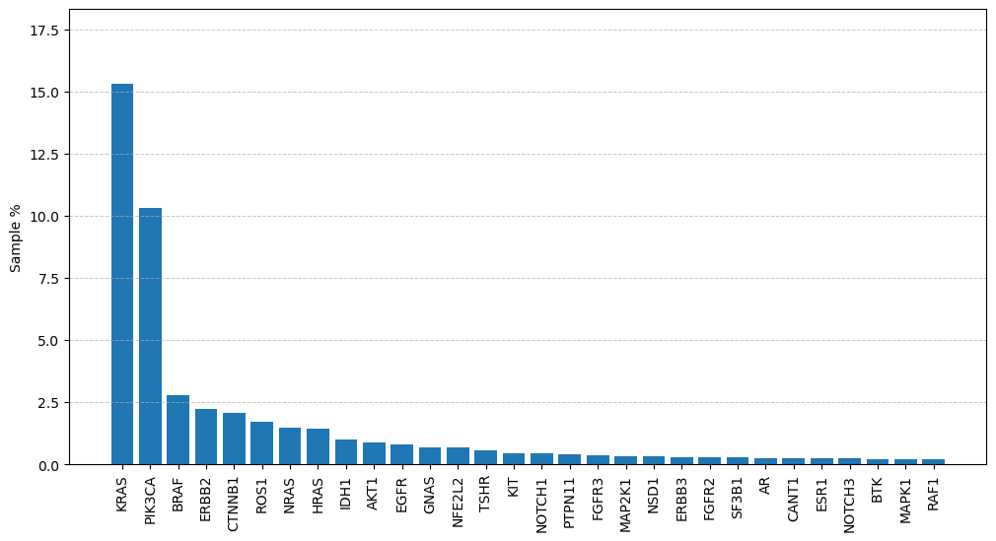
 | Gene | Unique Sample Count | Percentage (%)
0 | KRAS | 417 | 15.330882353
1 | PIK3CA | 281 | 10.330882353
2 | BRAF | 76 | 2.7941176471
3 | ERBB2 | 61 | 2.2426470588
4 | CTNNB1 | 56 | 2.0588235294
5 | ROS1 | 47 | 1.7279411765
6 | NRAS | 40 | 1.4705882353
7 | HRAS | 39 | 1.4338235294
8 | IDH1 | 27 | 0.99264705882
9 | AKT1 | 24 | 0.88235294118
10 | EGFR | 22 | 0.80882352941
11 | GNAS | 19 | 0.69852941176
12 | NFE2L2 | 19 | 0.69852941176
13 | TSHR | 15 | 0.55147058824
14 | KIT | 12 | 0.44117647059
15 | NOTCH1 | 12 | 0.44117647059
16 | PTPN11 | 11 | 0.40441176471
17 | FGFR3 | 10 | 0.36764705882
18 | MAP2K1 | 9 | 0.33088235294
19 | NSD1 | 9 | 0.33088235294
20 | ERBB3 | 8 | 0.29411764706
21 | FGFR2 | 8 | 0.29411764706
22 | SF3B1 | 8 | 0.29411764706
23 | AR | 7 | 0.25735294118
24 | CANT1 | 7 | 0.25735294118
25 | ESR1 | 7 | 0.25735294118
26 | NOTCH3 | 7 | 0.25735294118
27 | BTK | 6 | 0.22058823529
28 | MAPK1 | 6 | 0.22058823529
29 | RAF1 | 6 | 0.22058823529

TSG
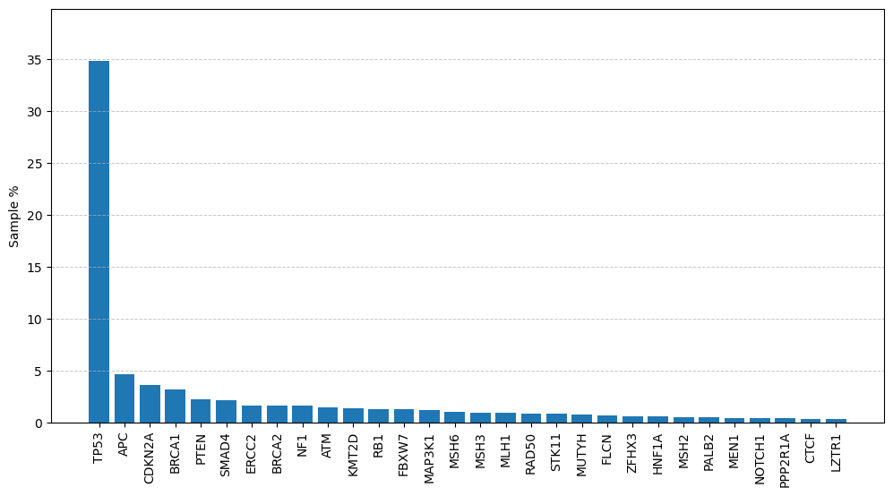
 | Gene | Unique Sample Count | Percentage (%)
0 | TP53 | 948 | 34.852941176
1 | APC | 127 | 4.6691176471
2 | CDKN2A | 99 | 3.6397058824
3 | BRCA1 | 86 | 3.1617647059
4 | PTEN | 61 | 2.2426470588
5 | SMAD4 | 58 | 2.1323529412
6 | ERCC2 | 44 | 1.6176470588
7 | BRCA2 | 43 | 1.5808823529
8 | NF1 | 43 | 1.5808823529
9 | ATM | 39 | 1.4338235294
10 | KMT2D | 36 | 1.3235294118
11 | RB1 | 35 | 1.2867647059
12 | FBXW7 | 34 | 1.25
13 | MAP3K1 | 33 | 1.2132352941
14 | MSH6 | 28 | 1.0294117647
15 | MSH3 | 26 | 0.95588235294
16 | MLH1 | 25 | 0.91911764706
17 | RAD50 | 22 | 0.80882352941
18 | STK11 | 22 | 0.80882352941
19 | MUTYH | 20 | 0.73529411765
20 | FLCN | 19 | 0.69852941176
21 | ZFHX3 | 16 | 0.58823529412
22 | HNF1A | 15 | 0.55147058824
23 | MSH2 | 14 | 0.51470588235
24 | PALB2 | 14 | 0.51470588235
25 | MEN1 | 12 | 0.44117647059
26 | NOTCH1 | 12 | 0.44117647059
27 | PPP2R1A | 11 | 0.40441176471
28 | CTCF | 10 | 0.36764705882
29 | LZTR1 | 10 | 0.36764705882

Kinase
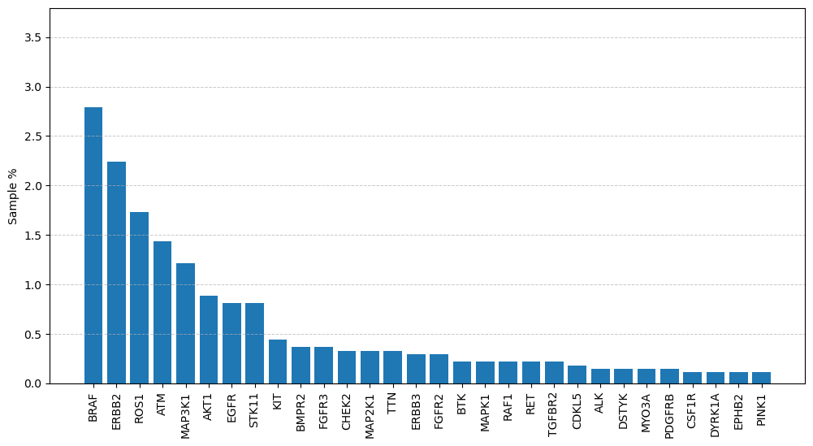
 | Gene | Unique Sample Count | Percentage (%)
0 | BRAF | 76 | 2.7941176471
1 | ERBB2 | 61 | 2.2426470588
2 | ROS1 | 47 | 1.7279411765
3 | ATM | 39 | 1.4338235294
4 | MAP3K1 | 33 | 1.2132352941
5 | AKT1 | 24 | 0.88235294118
6 | EGFR | 22 | 0.80882352941
7 | STK11 | 22 | 0.80882352941
8 | KIT | 12 | 0.44117647059
9 | BMPR2 | 10 | 0.36764705882
10 | FGFR3 | 10 | 0.36764705882
11 | CHEK2 | 9 | 0.33088235294
12 | MAP2K1 | 9 | 0.33088235294
13 | TTN | 9 | 0.33088235294
14 | ERBB3 | 8 | 0.29411764706
15 | FGFR2 | 8 | 0.29411764706
16 | BTK | 6 | 0.22058823529
17 | MAPK1 | 6 | 0.22058823529
18 | RAF1 | 6 | 0.22058823529
19 | RET | 6 | 0.22058823529
20 | TGFBR2 | 6 | 0.22058823529
21 | CDKL5 | 5 | 0.18382352941
22 | ALK | 4 | 0.14705882353
23 | DSTYK | 4 | 0.14705882353
24 | MYO3A | 4 | 0.14705882353
25 | PDGFRB | 4 | 0.14705882353
26 | CSF1R | 3 | 0.11029411765
27 | DYRK1A | 3 | 0.11029411765
28 | EPHB2 | 3 | 0.11029411765
29 | PINK1 | 3 | 0.11029411765

Patho Mutation rate Fig5a
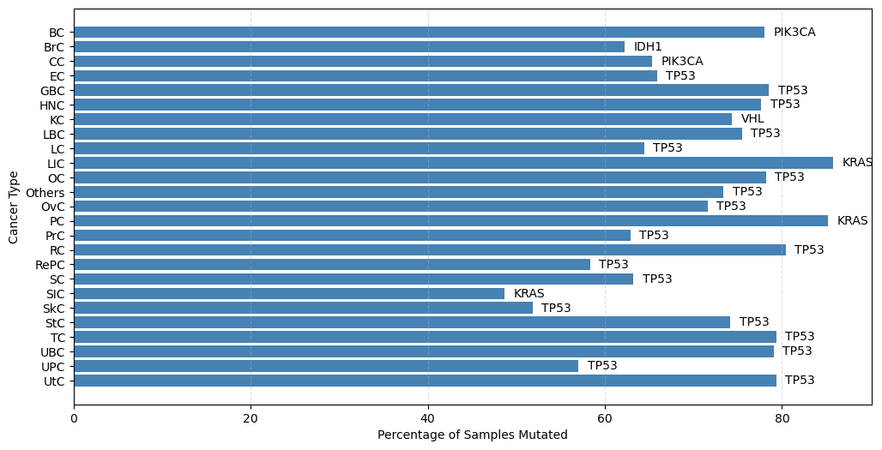
Cancer_Short | Total Unique Samples |  | Cancer_Short | Total Unique Samples | Total Unique Samples having Pathogenic Mutation | Most Mutated Gene | Percentage Mutated
BC | 109 | 0 | BC | 305 | 238 | PIK3CA | 78%
BrC | 11 | 1 | BrC | 45 | 28 | IDH1 | 62%
CC | 13 | 2 | CC | 49 | 32 | PIK3CA | 65%
EC | 25 | 3 | EC | 88 | 58 | TP53 | 66%
GBC | 61 | 4 | GBC | 135 | 106 | TP53 | 79%
HNC | 68 | 5 | HNC | 94 | 73 | TP53 | 78%
KC | 13 | 6 | KC | 39 | 29 | VHL | 74%
LBC | 39 | 7 | LBC | 159 | 120 | TP53 | 75%
LC | 194 | 8 | LC | 740 | 477 | TP53 | 64%
LIC | 111 | 9 | LIC | 289 | 248 | KRAS | 86%
OC | 56 | 10 | OC | 174 | 136 | TP53 | 78%
Others | 52 | 11 | Others | 94 | 69 | TP53 | 73%
OvC | 101 | 12 | OvC | 236 | 169 | TP53 | 72%
PC | 51 | 13 | PC | 162 | 138 | KRAS | 85%
PrC | 35 | 14 | PrC | 97 | 61 | TP53 | 63%
RC | 35 | 15 | RC | 138 | 111 | TP53 | 80%
SC | 77 | 16 | RePC | 24 | 14 | TP53 | 58%
StC | 140 | 17 | SC | 136 | 86 | TP53 | 63%
TC | 121 | 18 | SIC | 37 | 18 | KRAS | 49%
UBC | 11 | 19 | SkC | 27 | 14 | TP53 | 52%
UPC | 23 | 20 | StC | 244 | 181 | TP53 | 74%
UtC | 29 | 21 | TC | 150 | 119 | TP53 | 79%
 |  | 22 | UBC | 43 | 34 | TP53 | 79%
 |  | 23 | UPC | 114 | 65 | TP53 | 57%
 |  | 24 | UtC | 121 | 96 | TP53 | 79%

% Heatmap Fig5b
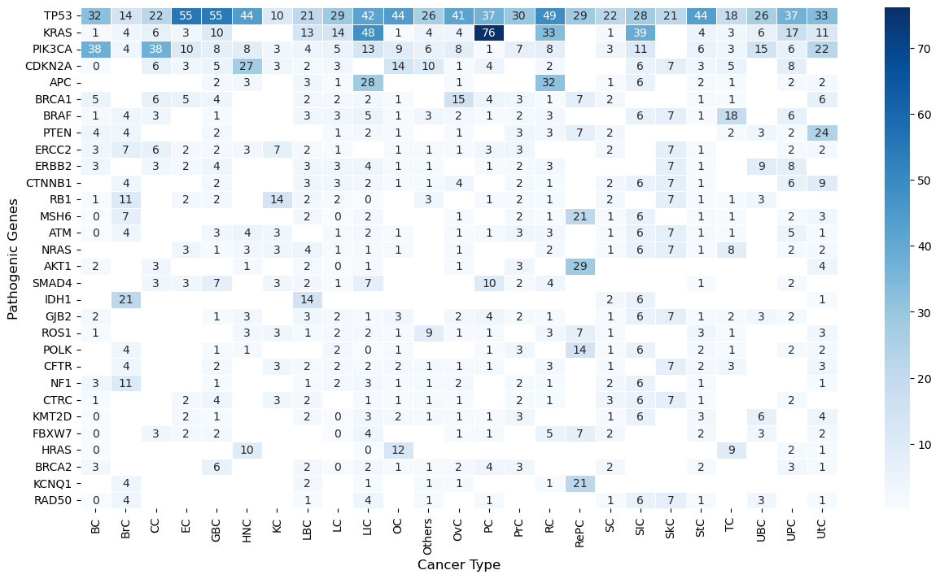
Gene | BC | BrC | CC | EC | GBC | HNC | KC | LBC | LC | LIC | OC | Others | OvC | PC | PrC | RC | RePC | SC | SIC | SkC | StC | TC | UBC | UPC | UtC
TP53 | 32.352941176 | 14.285714286 | 21.875 | 55.172413793 | 54.716981132 | 43.835616438 | 10.344827586 | 20.833333333 | 28.93081761 | 41.935483871 | 44.117647059 | 26.086956522 | 41.420118343 | 36.956521739 | 29.508196721 | 48.648648649 | 28.571428571 | 22.093023256 | 27.777777778 | 21.428571429 | 43.64640884 | 18.487394958 | 26.470588235 | 36.923076923 | 33.333333333
KRAS | 1.2605042017 | 3.5714285714 | 6.25 | 3.4482758621 | 10.377358491 |  |  | 13.333333333 | 13.836477987 | 47.983870968 | 0.73529411765 | 4.347826087 | 4.1420118343 | 76.086956522 |  | 33.333333333 |  | 1.1627906977 | 38.888888889 |  | 4.4198895028 | 3.3613445378 | 5.8823529412 | 16.923076923 | 11.458333333
PIK3CA | 37.81512605 | 3.5714285714 | 37.5 | 10.344827586 | 7.5471698113 | 8.2191780822 | 3.4482758621 | 4.1666666667 | 5.4507337526 | 13.306451613 | 8.8235294118 | 5.7971014493 | 8.2840236686 | 0.72463768116 | 6.5573770492 | 8.1081081081 |  | 3.488372093 | 11.111111111 |  | 5.5248618785 | 3.3613445378 | 14.705882353 | 6.1538461538 | 21.875
CDKN2A | 0.42016806723 |  | 6.25 | 3.4482758621 | 4.7169811321 | 27.397260274 | 3.4482758621 | 1.6666666667 | 2.5157232704 |  | 13.970588235 | 10.144927536 | 0.59171597633 | 4.347826087 |  | 1.8018018018 |  |  | 5.5555555556 | 7.1428571429 | 3.3149171271 | 5.0420168067 |  | 7.6923076923
APC |  |  |  |  | 1.8867924528 | 2.7397260274 |  | 3.3333333333 | 0.83857442348 | 28.225806452 |  |  | 0.59171597633 |  |  | 31.531531532 |  | 1.1627906977 | 5.5555555556 |  | 1.6574585635 | 0.84033613445 |  | 1.5384615385 | 2.0833333333
BRCA1 | 4.6218487395 |  | 6.25 | 5.1724137931 | 3.7735849057 |  |  | 2.5 | 1.8867924528 | 2.4193548387 | 0.73529411765 |  | 15.384615385 | 4.347826087 | 3.2786885246 | 0.9009009009 | 7.1428571429 | 2.3255813953 |  |  | 1.1049723757 | 0.84033613445 |  |  | 6.25
BRAF | 1.2605042017 | 3.5714285714 | 3.125 |  | 0.94339622642 |  |  | 3.3333333333 | 2.9350104822 | 4.8387096774 | 0.73529411765 | 2.8985507246 | 1.775147929 | 0.72463768116 | 1.6393442623 | 2.7027027027 |  |  | 5.5555555556 | 7.1428571429 | 0.55248618785 | 18.487394958 |  | 6.1538461538
PTEN | 3.781512605 | 3.5714285714 |  |  | 1.8867924528 |  |  |  | 1.2578616352 | 2.0161290323 | 0.73529411765 |  | 1.1834319527 |  | 3.2786885246 | 2.7027027027 | 7.1428571429 | 2.3255813953 |  |  |  | 1.6806722689 | 2.9411764706 | 1.5384615385 | 23.958333333
ERCC2 | 2.9411764706 | 7.1428571429 | 6.25 | 1.724137931 | 1.8867924528 | 2.7397260274 | 6.8965517241 | 1.6666666667 | 1.0482180294 |  | 1.4705882353 | 1.4492753623 | 1.1834319527 | 2.8985507246 | 3.2786885246 |  |  | 2.3255813953 |  | 7.1428571429 | 1.1049723757 |  |  | 1.5384615385 | 2.0833333333
ERBB2 | 2.9411764706 |  | 3.125 | 1.724137931 | 3.7735849057 |  |  | 3.3333333333 | 3.3542976939 | 4.0322580645 | 1.4705882353 | 1.4492753623 |  | 0.72463768116 | 1.6393442623 | 2.7027027027 |  |  |  | 7.1428571429 | 0.55248618785 |  | 8.8235294118 | 7.6923076923
CTNNB1 |  | 3.5714285714 |  |  | 1.8867924528 |  |  | 3.3333333333 | 3.1446540881 | 2.4193548387 | 0.73529411765 | 1.4492753623 | 3.550295858 |  | 1.6393442623 | 0.9009009009 |  | 2.3255813953 | 5.5555555556 | 7.1428571429 | 0.55248618785 |  |  | 6.1538461538 | 9.375
RB1 | 0.84033613445 | 10.714285714 |  | 1.724137931 | 1.8867924528 |  | 13.793103448 | 2.5 | 1.677148847 | 0.40322580645 |  | 2.8985507246 |  | 0.72463768116 | 1.6393442623 | 0.9009009009 |  | 2.3255813953 |  | 7.1428571429 | 0.55248618785 | 0.84033613445 | 2.9411764706
MSH6 | 0.42016806723 | 7.1428571429 |  |  |  |  |  | 2.5 | 0.20964360587 | 2.4193548387 |  |  | 0.59171597633 |  | 1.6393442623 | 0.9009009009 | 21.428571429 | 1.1627906977 | 5.5555555556 |  | 1.1049723757 | 0.84033613445 |  | 1.5384615385 | 3.125
ATM | 0.42016806723 | 3.5714285714 |  |  | 2.8301886792 | 4.1095890411 | 3.4482758621 |  | 1.2578616352 | 2.0161290323 | 0.73529411765 |  | 0.59171597633 | 1.4492753623 | 3.2786885246 | 2.7027027027 |  | 1.1627906977 | 5.5555555556 | 7.1428571429 | 1.1049723757 | 0.84033613445 |  | 4.6153846154 | 1.0416666667
NRAS |  |  |  | 3.4482758621 | 0.94339622642 | 2.7397260274 | 3.4482758621 | 4.1666666667 | 0.62893081761 | 1.2096774194 | 1.4705882353 |  | 1.1834319527 |  |  | 1.8018018018 |  | 1.1627906977 | 5.5555555556 | 7.1428571429 | 0.55248618785 | 8.4033613445 |  | 1.5384615385 | 2.0833333333
AKT1 | 1.6806722689 |  | 3.125 |  |  | 1.3698630137 |  | 1.6666666667 | 0.41928721174 | 1.2096774194 |  |  | 0.59171597633 |  | 3.2786885246 |  | 28.571428571 |  |  |  |  |  |  |  | 4.1666666667
SMAD4 |  |  | 3.125 | 3.4482758621 | 6.6037735849 |  | 3.4482758621 | 2.5 | 1.0482180294 | 7.2580645161 |  |  |  | 10.144927536 | 1.6393442623 | 3.6036036036 |  |  |  |  | 0.55248618785 |  |  | 1.5384615385
IDH1 |  | 21.428571429 |  |  |  |  |  | 14.166666667 |  |  |  |  |  |  |  |  |  | 2.3255813953 | 5.5555555556 |  |  |  |  |  | 1.0416666667
GJB2 | 2.1008403361 |  |  |  | 0.94339622642 | 2.7397260274 |  | 3.3333333333 | 1.8867924528 | 1.2096774194 | 2.9411764706 |  | 2.3668639053 | 3.6231884058 | 1.6393442623 | 0.9009009009 |  | 1.1627906977 | 5.5555555556 | 7.1428571429 | 0.55248618785 | 1.6806722689 | 2.9411764706 | 1.5384615385
ROS1 | 0.84033613445 |  |  |  |  | 2.7397260274 | 3.4482758621 | 0.83333333333 | 2.0964360587 | 2.0161290323 | 0.73529411765 | 8.6956521739 | 1.1834319527 | 1.4492753623 |  | 2.7027027027 | 7.1428571429 | 1.1627906977 |  |  | 3.3149171271 | 0.84033613445 |  |  | 3.125
POLK |  | 3.5714285714 |  |  | 0.94339622642 | 1.3698630137 |  |  | 2.3060796646 | 0.40322580645 | 1.4705882353 |  |  | 0.72463768116 | 3.2786885246 |  | 14.285714286 | 1.1627906977 | 5.5555555556 |  | 2.2099447514 | 0.84033613445 |  | 1.5384615385 | 2.0833333333
CFTR |  | 3.5714285714 |  |  | 1.8867924528 |  | 3.4482758621 | 1.6666666667 | 2.0964360587 | 1.6129032258 | 2.2058823529 | 1.4492753623 | 1.1834319527 | 1.4492753623 |  | 2.7027027027 |  | 1.1627906977 |  | 7.1428571429 | 2.2099447514 | 3.3613445378 |  |  | 3.125
NF1 | 3.3613445378 | 10.714285714 |  |  | 0.94339622642 |  |  | 0.83333333333 | 2.0964360587 | 2.8225806452 | 0.73529411765 | 1.4492753623 | 1.775147929 |  | 1.6393442623 | 0.9009009009 |  | 2.3255813953 | 5.5555555556 |  | 1.1049723757 |  |  |  | 1.0416666667
CTRC | 0.84033613445 |  |  | 1.724137931 | 3.7735849057 |  | 3.4482758621 | 2.5 |  | 1.2096774194 | 0.73529411765 | 1.4492753623 | 0.59171597633 |  | 1.6393442623 | 0.9009009009 |  | 3.488372093 | 5.5555555556 | 7.1428571429 | 0.55248618785 |  |  | 1.5384615385
KMT2D | 0.42016806723 |  |  | 1.724137931 | 0.94339622642 |  |  | 1.6666666667 | 0.41928721174 | 2.8225806452 | 2.2058823529 | 1.4492753623 | 1.1834319527 | 0.72463768116 | 3.2786885246 |  |  | 1.1627906977 | 5.5555555556 |  | 2.7624309392 |  | 5.8823529412 |  | 4.1666666667
FBXW7 | 0.42016806723 |  | 3.125 | 1.724137931 | 1.8867924528 |  |  |  | 0.20964360587 | 3.6290322581 |  |  | 0.59171597633 | 1.4492753623 |  | 5.4054054054 | 7.1428571429 | 2.3255813953 |  |  | 2.2099447514 |  | 2.9411764706 |  | 2.0833333333
HRAS | 0.42016806723 |  |  |  |  | 9.5890410959 |  |  |  | 0.40322580645 | 12.5 |  |  |  |  |  |  |  |  |  |  | 9.243697479 |  | 1.5384615385 | 1.0416666667
BRCA2 | 2.5210084034 |  |  |  | 5.6603773585 |  |  | 2.5 | 0.41928721174 | 2.4193548387 | 0.73529411765 | 1.4492753623 | 1.775147929 | 3.6231884058 | 3.2786885246 |  |  | 2.3255813953 |  |  | 1.6574585635 |  |  | 3.0769230769 | 1.0416666667
KCNQ1 |  | 3.5714285714 |  |  |  |  |  | 2.5 |  | 0.8064516129 |  | 1.4492753623 | 1.1834319527 |  |  | 0.9009009009 | 21.428571429
RAD50 | 0.42016806723 | 3.5714285714 |  |  |  |  |  | 0.83333333333 |  | 3.6290322581 |  | 1.4492753623 |  | 1.4492753623 |  |  |  | 1.1627906977 | 5.5555555556 | 7.1428571429 | 1.1049723757 |  | 2.9411764706 |  | 1.0416666667

Mutual Exclusivity and Co-Occur
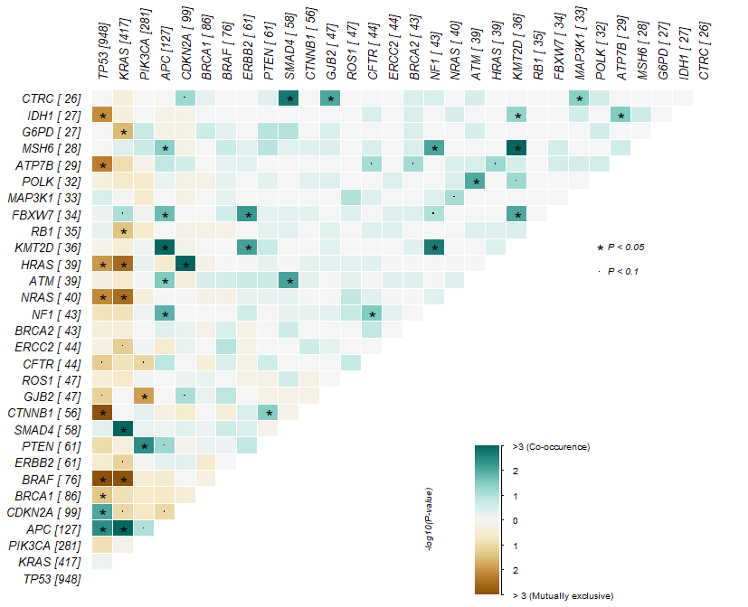
 | gene1 | gene2 | pValue | oddsRatio | Event | event_ratio
1 | KRAS | APC | 1.20E-11 | 3.9358756993 | Co_Occurence | 50/444
2 | MSH6 | KMT2D | 1.06E-06 | 24.05731659 | Co_Occurence | Jun-52
3 | KRAS | SMAD4 | 1.22E-06 | 4.072496277 | Co_Occurence | 24/427
4 | BRAF | KRAS | 5.21E-06 | 0 | Mutually_Exclusive | 0/493
5 | CDKN2A | HRAS | 5.61E-05 | 7.3299522532 | Co_Occurence | 8/122
6 | CTNNB1 | TP53 | 0.00018768191881 | 0.26167346584 | Mutually_Exclusive | 7/990
7 | BRAF | TP53 | 0.00085279013818 | 0.37728057078 | Mutually_Exclusive | 13/998
8 | APC | KMT2D | 0.0011014244389 | 5.1515273618 | Co_Occurence | 7/149
9 | SMAD4 | CTRC | 0.0019616267949 | 8.8677813835 | Co_Occurence | Apr-76
10 | KMT2D | NF1 | 0.0022096203994 | 8.4580828465 | Co_Occurence | Apr-71
11 | HRAS | KRAS | 0.0026486941939 | 0 | Mutually_Exclusive | 0/456
12 | NRAS | KRAS | 0.0028187888755 | 0 | Mutually_Exclusive | 0/457
13 | APC | TP53 | 0.0040355774879 | 1.7191503294 | Co_Occurence | 60/955
14 | PTEN | PIK3CA | 0.0040780263074 | 2.6672084743 | Co_Occurence | 14/314
15 | ATP7B | TP53 | 0.005074034619 | 0.21329492064 | Mutually_Exclusive | 3/971
16 | FBXW7 | ERBB2 | 0.0064202525681 | 6.1396849638 | Co_Occurence | Apr-87
17 | NRAS | TP53 | 0.0070095213409 | 0.32569757696 | Mutually_Exclusive | 6/976
18 | TP53 | IDH1 | 0.0077059777826 | 0.23131978847 | Mutually_Exclusive | 3/969
19 | ERBB2 | KMT2D | 0.0078870049463 | 5.7522255095 | Co_Occurence | Apr-89
20 | ATM | SMAD4 | 0.0087831289371 | 5.5519684946 | Co_Occurence | Apr-89
21 | NF1 | MSH6 | 0.0091570498802 | 7.9387729251 | Co_Occurence | Mar-65
22 | CTRC | GJB2 | 0.0095168279601 | 7.8391668906 | Co_Occurence | Mar-67
23 | TP53 | CDKN2A | 0.0095974427477 | 1.7251380766 | Co_Occurence | 47/953
24 | KMT2D | FBXW7 | 0.0096170128321 | 7.7635821387 | Co_Occurence | Mar-64
25 | ATM | POLK | 0.01014430684 | 7.6051490118 | Co_Occurence | Mar-65
26 | TP53 | HRAS | 0.010285683769 | 0.33575815074 | Mutually_Exclusive | 6/975
27 | PIK3CA | GJB2 | 0.012516120233 | 0 | Mutually_Exclusive | 0/328
28 | APC | NF1 | 0.013539559271 | 3.4228138378 | Co_Occurence | 6/158
29 | FBXW7 | APC | 0.019189794139 | 3.6203713252 | Co_Occurence | 5/151
30 | G6PD | KRAS | 0.026292133964 | 0 | Mutually_Exclusive | 0/444

